Use_Case
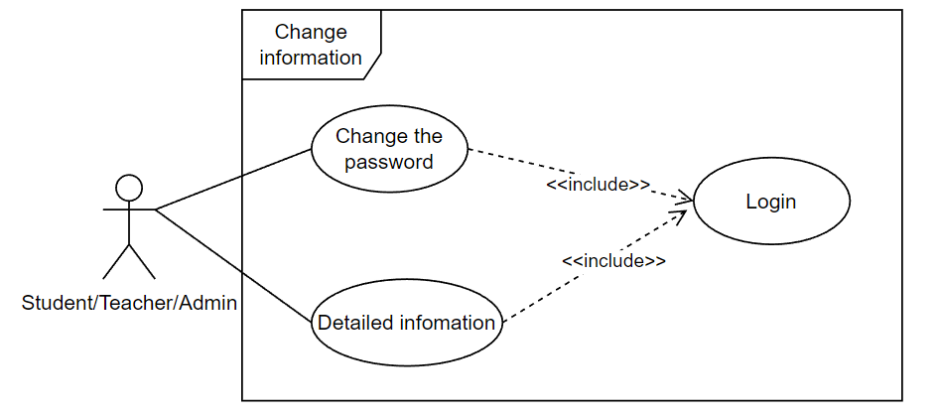
6.1. Đăng nhập

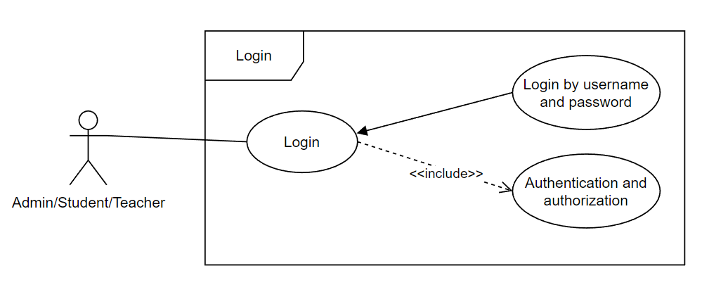

6.2. Chức năng thay đổi thông tin

Class_Diagram
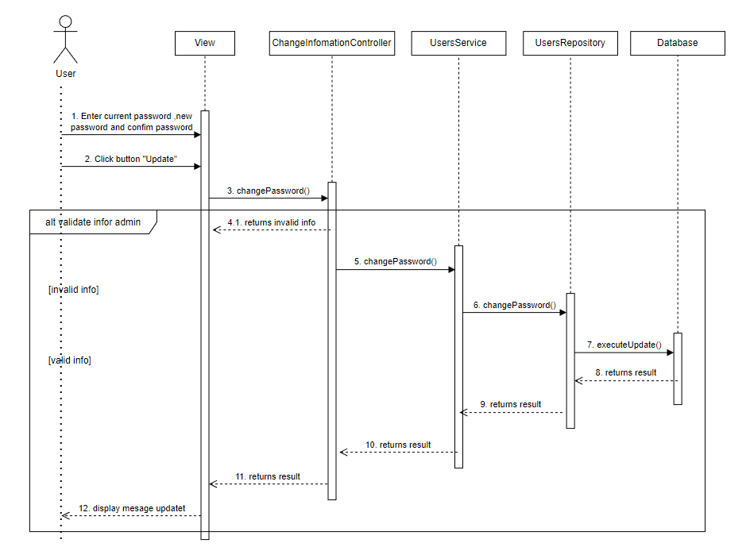
6.1. Đăng nhập

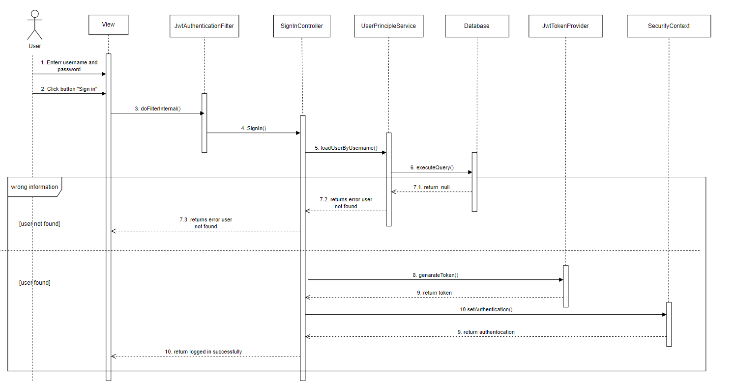

6.2. Chức năng thay đổi thông tin

Sequence_Diagram
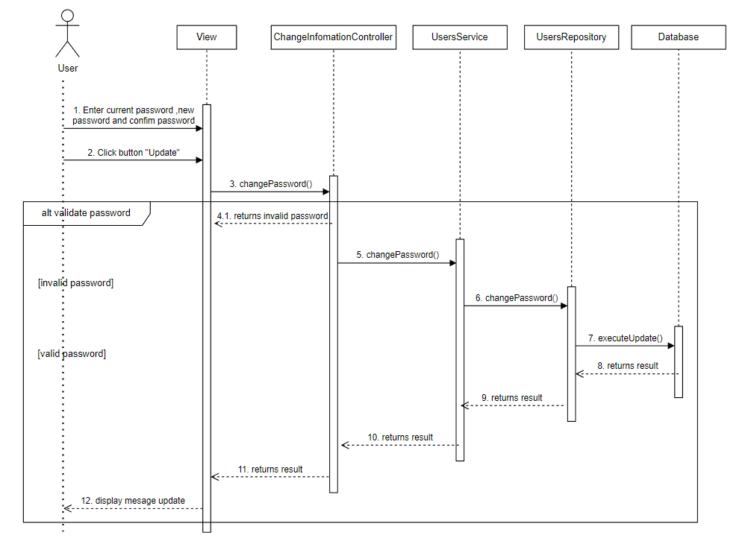
6.1. Đăng nhập

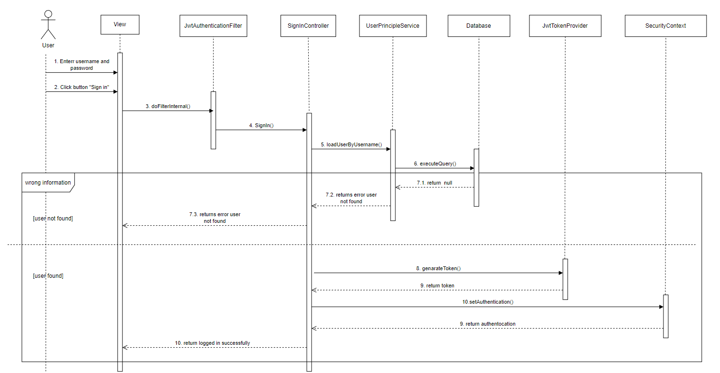

6.2. Chức năng thay đổi thông tin

